Sheet1

PIONEER SERVICES

M/S KATYS |  |  |  |  |  | 30-Apr-25
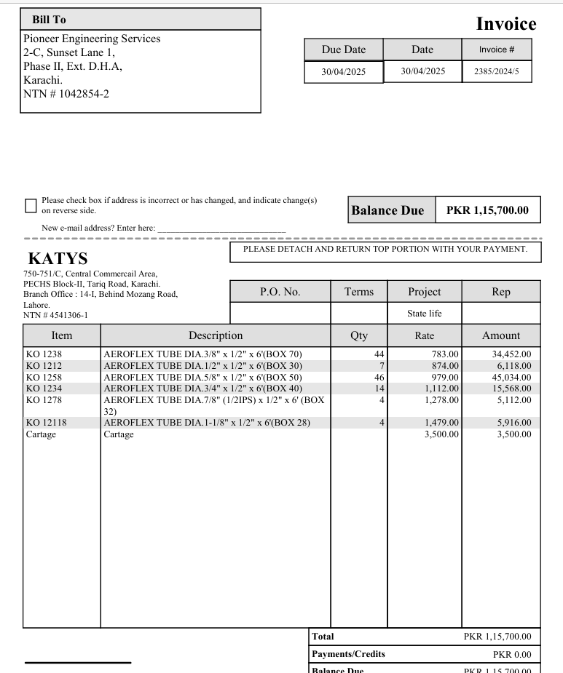
PO # 136

Att: Mr. Danish

PURCHASE ORDER

Supply of insulation for copper pipe for the project State Life Building Karachi
S No. | D e s c r i p t i o n | Size | Qty | Unit | Rate | Amount
 | Brand: Aeroflex |  |  |  |  |  | 575,000

1 | Supply of Aeroflex insulation (thickness 12mm) | 3/8" | 44 | Len | 783 | 34,452
2 | Supply of Aeroflex insulation (thickness 12mm) | 1/2" | 7 | Len | 874 | 6,118
3 | Supply of Aeroflex insulation (thickness 12mm) | 5/8" | 46 | Len | 979 | 45,034
4 | Supply of Aeroflex insulation (thickness 12mm) | 3/4" | 14 | Len | 1,112 | 15,568
5 | Supply of Aeroflex insulation (thickness 12mm) | 7/8" | 4 | Len | 1,278 | 5,112
6 | Supply of Aeroflex insulation (thickness 12mm) | 1-1/8 | 4 | Len | 1,479 | 5,916

 |  |  | TOTAL: |  |  | 112,200
cartage |  |  |  |  |  | 3,500
Total amount |  |  |  |  |  | 115,700

Note: This PO is subject to the consultant's approval.

for Pioneer Engineering

